Sheet1
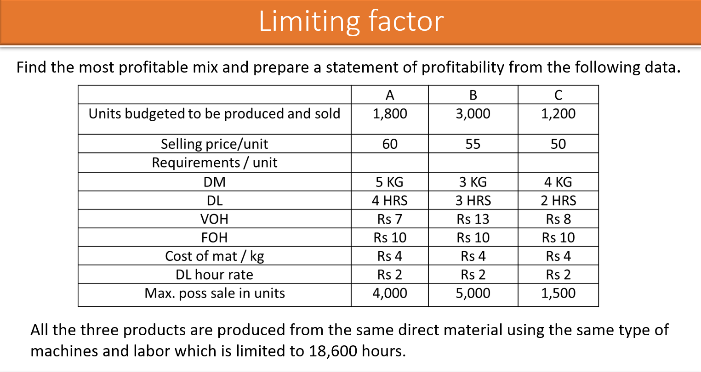
Input | A | B | C |  |  | A | B | C
Units budgeted | 1800 | 3000 | 1200 |  | Selling Price per unit | 60 | 55 | 50
Sell Price | 60 | 55 | 50 |  | VC
Requirements |  |  |  |  | DM | 20 | 12 | 16
DM(Kg) | 5 | 3 | 4 |  | DL | 8 | 6 | 4
DL (Hrs) | 4 | 3 | 2 |  | VOH | 7 | 13 | 8
VOH (Rs) | 7 | 13 | 8
FOH(Rs) | 10 | 10 | 10 |  | Contribution per Unit | 25 | 24 | 22
Cost of Mat/kg (Rs) | 4 | 4 | 4 |  | Contribution per hr | 6.25 | 8 | 11
DL Hour rate (Rs) | 2 | 2 | 2
Max sales in units | 4,000 | 5,000 | 1,500
Max Hours |  |  |  | 18600 | Production | Units | Hrs | Total
 |  |  |  |  | C | 1500 | 2 | 3000
 |  |  |  |  | B | 5000 | 3 | 15000
 |  |  |  |  | A | 150 | 4 | 600
 |  |  |  |  |  |  |  | 18600
Profitability Statement
 | A | B | C | Total
Contribution | 3750 | 120000 | 33000 | 156750
Less: Fixed Cost | 18000 | 30000 | 12000 | 60000
Profit |  |  |  | 96750

Sheet3
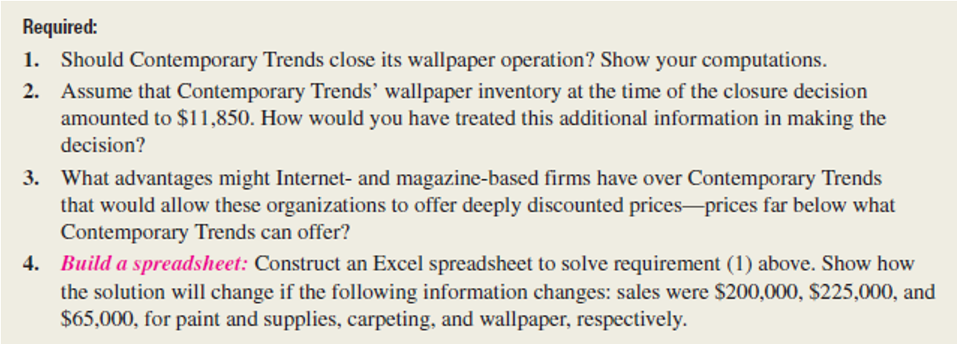
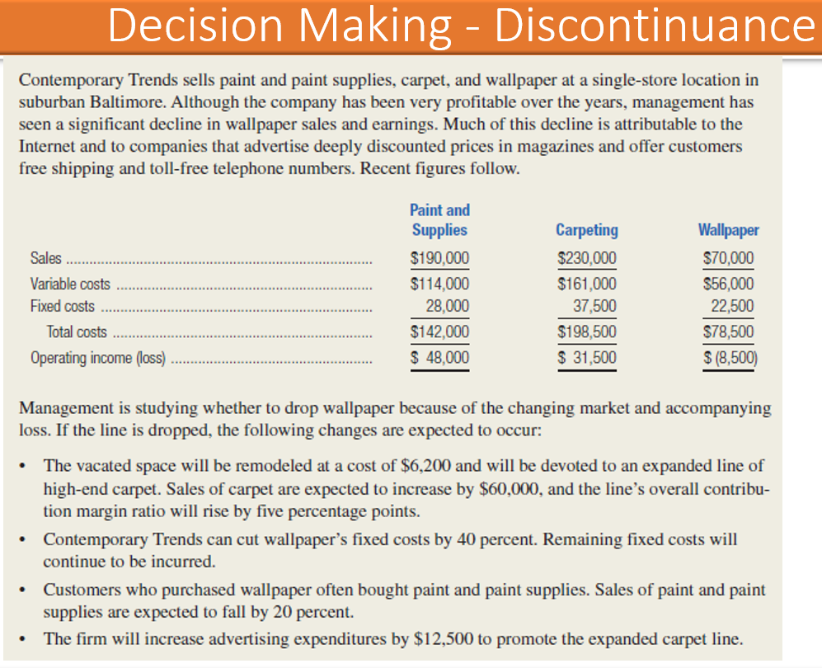
Inputs
Particulars | Paints | Carpeting | Wallpaper | Particulars | Paints | Carpeting | Wallpaper
Sales | 190,000 | 230,000 | 70,000 | Sales | 190,000 | 230,000 | 70,000
Variable Costs | 114,000 | 161,000 | 56,000 | Variable Cost | 114,000 | 161,000 | 56,000
Fixed Cost | 28,000 | 37,000 | 22,500 | Contribution | 76,000 | 69,000 | 14,000
Total cost | 142,000 | 198,500 | 78,500 | Fixed Cost | 28,000 | 37,000 | 22,500
Operating income ( loss) | 48,000 | 31,500 | -8500 | Profit | 48,000 | 32,000 | -8,500

Add Data |  |  |  | Effects of discontinuing Wallpaper

Remodelling Costs | 6200 |  |  | Loss of contribution |  |  | -14,000
Inc in Carpet Sales | 60000 |  |  | Remodelling Costs |  |  | -6200
Inc in Contribution | 5% |  |  | Inc in cont of Carpet |  |  | 32,500
Reduction in FC | 40% |  |  | New sales - carpeting |  |  | 290,000
Fall in Paints Sales | 20% |  |  | Existing Contribution Ratio |  |  | 30%
Inc in advertising | 12,500 |  |  | New Contribution Ratio |  |  | 35%
 |  |  |  | New Conribution |  |  | 101500
30 |  |  |  | Reduction in FC |  |  | 9000
 |  |  |  | Reduction in contrbution of paints |  |  | -15200
 |  |  |  | Inc in advertising |  |  | -12,500

 |  |  |  | Benefit/(Loss) |  |  | -6,400

